MoP Excel
Background Change : | Robot 061 Deployment (Power Automate)

Activity |  |  | Planned Start | Planned End | Duration (Min) | Actual Start | Actual End | Duration (Min) | Status | PIC (Name & Phone)
 | CI (hostname/ IP) | Command/ Syntax |  |  |  |  |  |  |  |  | Service Impact | Capture Evidence

Checkpoint Go/No Go Before Activity #1 |  |  |  |  |  |  |  |  | Done
Pre Requisites before D-Day
SIT |  |  | 8:00:00 | 9:00:00 | 1:00:00 | 8:00:00 | 9:00:00 | 1:00:00 | Done | ISGS
UAT |  |  | 11:00:00 | 12:00:00 | 1:00:00 | 11:00:00 | 12:00:00 | 1:00:00 | Done | ISGS
Acknowledge Business User |  |  | 13:00:00 | 13:05:00 | 0:05:00 | 13:00:00 | 13:05:00 | 0:05:00 | Done | IT Intelligent Automation
Verify SR Status App/Databaase |  |  | 13:05:00 | 13:10:00 | 0:05:00 | 13:05:00 | 13:10:00 | 0:05:00 | Done | IT Intelligent Automation
Resource availability [executor] | DSC (https://sso.identity.telkomsel.co.id/dsc) |  | 13:10:00 | 13:15:00 | 0:05:00 | 13:10:00 | 13:15:00 | 0:05:00 | Done | IT Intelligent Automation
Check connections | https://make.powerautomate.com 10.49.31.3:3352 (RPA Log DB) https://vault.telkomsel.co.id:8200 (Hashicorp Vault) https://sso.identity.telkomsel.co.id/dsc |  | 13:15:00 | 13:20:00 | 0:05:00 | 13:15:00 | 13:20:00 | 0:05:00 | Done | IT Intelligent Automation
Check package readiness |  |  | 13:20:00 | 13:25:00 | 0:05:00 | 13:20:00 | 13:25:00 | 0:05:00 | Done | IT Intelligent Automation
Check User Access |  |  | 13:25:00 | 13:30:00 | 0:05:00 | 13:25:00 | 13:30:00 | 0:05:00 | Done | IT Intelligent Automation
Deploymnet Test and Rollback Plan Test |  |  | 13:30:00 | 13:35:00 | 0:05:00 | 13:30:00 | 13:35:00 | 0:05:00 | Done | IT Intelligent Automation
Pre Requisites on D-Day just before Activity Starts
Backup Configuration |  | Export Config from Prod | 21:30:00 | 21:40:00 | 0:10:00 | 21:49:00 | 21:52:00 | 0:03:00 | Done | ISGS |  | 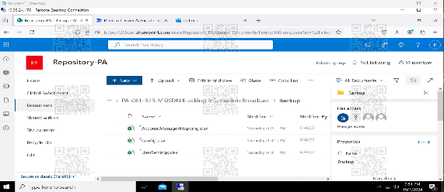
Verify Connection App/Databaase | https://make.powerautomate.com 10.49.31.3:3352 (RPA Log DB) https://vault.telkomsel.co.id:8200 (Hashicorp Vault) https://sso.identity.telkomsel.co.id/dsc | Check network | 21:40:00 | 21:50:00 | 0:10:00 | 21:52:00 | 22:22:00 | 0:30:00 | Done | ISGS |  | 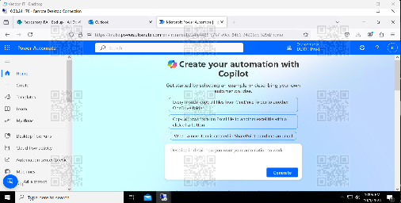 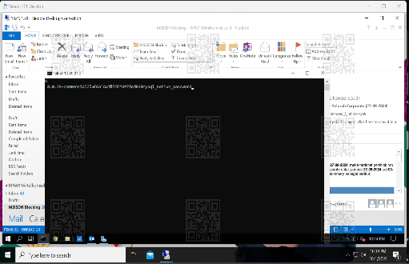 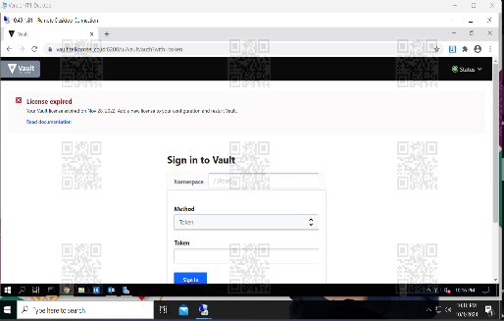 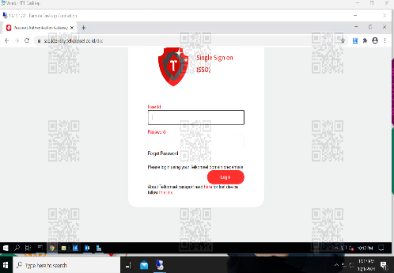
Capture App before condition |  | Screenshots | 21:50:00 | 22:00:00 | 0:10:00 | 22:20:00 | 22:23:00 | 0:03:00 | Done | ISGS |  | 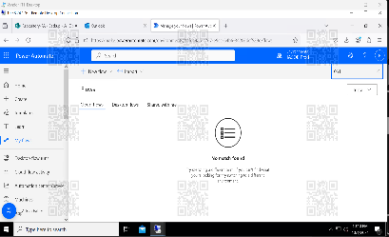 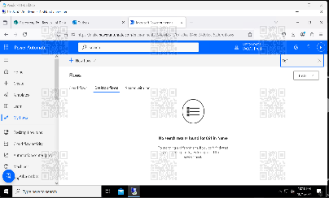 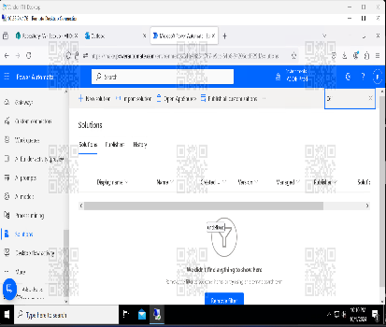 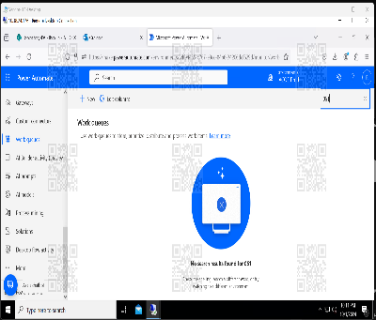
Checkpoint Go/No Go Preparation #2 |  |  |  |  |  |  |  |  | Done
Deployment
Compile development update package | https://make.powerautomate.com Env. IACOE Dev | Compile and Export from Dev | 22:00:00 | 22:30:00 | 0:30:00 | 22:23:00 | 22:37:00 | 0:14:00 | Done | ISGS
Publish updated package | https://make.powerautomate.com Env. IACOE Prod | Publish from Prod | 22:30:00 | 23:00:00 | 0:30:00 | 22:37:00 | 22:43:00 | 0:06:00 | Done | ISGS
Checkpoint Go/No Go Deployment #3 |  |  |  |  |  |  |  |  | Not started
Post Deployment
Sanity Test: DPA-061-Dispatcher |  | Check run result | 23:00:00 | 23:30:00 | 0:30:00 | 22:43:00 | 23:15:00 | 0:32:00 | Done | ISGS
Sanity Test: RPA-061-Performer |  | Check run result | 23:30:00 | 1900-01-01 00:00:00 | 0:30:00 | 23:15:00 | 23:47:00 | 0:32:00 | Done | ISGS
Success Criteria : |  |  | 0:00:00 | 0:30:00 | 0:30:00 | 23:47:00 | 23:48:00 | 0:01:00 |  | ISGS
All function run normal
Checkpoint Go/No Go Decision #4 |  |  |  |  |  |  |  |  | Done
Monitoring Period 3 hours |  |  | 9:00:00 | 12:00:00 | 3:00:00 |  |  |  | Not started | IT Intelligent Automation
Rollback Activity (If apply)
Roll back activity |  |  |  |  |  |  |  |  | Not Started | IT Intelligent Automation

Activity |  |  | Planned Start | Planned End | Duration (Min) | Actual Start | Actual End | Duration (Min) | Status | PIC (Name & Phone)
 |  |  |  |  |  |  |  |  |  |  | Service Impact | Capture Evidence
Checkpoint Go/No Go Decision #4 |  |  |  |  |  |  |  |  | Not started
Rollback
Restore Configuration |  |  | 22:00:00 | 23:00:00 | 1:00:00 |  |  |  | Not started | ISGS
Monitoring Service | Robot UiPath enable trigger |  | 23:15:00 | 1900-01-24 00:00:00 | 1900-01-23 00:45:00 |  |  |  | Not started | ISGS
Success Criteria :
All existing function run normal

Note
- Backgound Change harus diisi
- Semua Kolom Harus Di Isi
- Prerequisite Harus Sudah Complete Sebelum Release
- surrounding agar didetailkan, termasuk aplikasi channel yang berkorelasi agar masuk ke dalam test case yang dilakukan sanity test
- Bisa sanity di channel atau tdk? tambahkan test cases sanity test di channel (yang korelasi dengan service utama aplikasi tersebut)
- Remark configuration
- Tambahkan Evidence kondisi config before vs after
- Lampirkan evidence method deploymentnya sudah di internal test

